Blad1
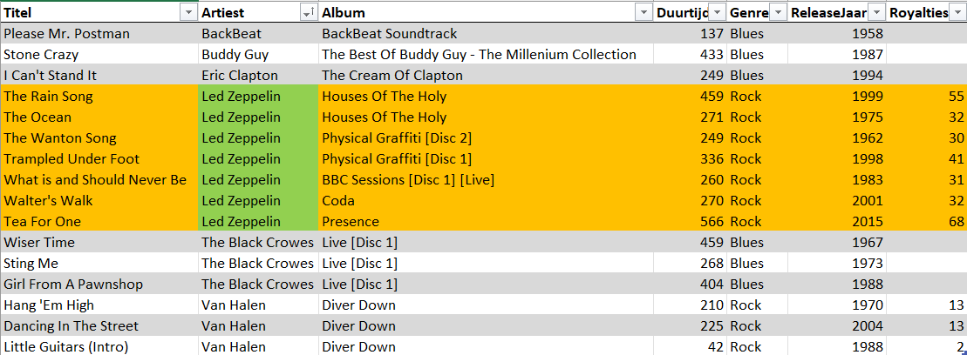
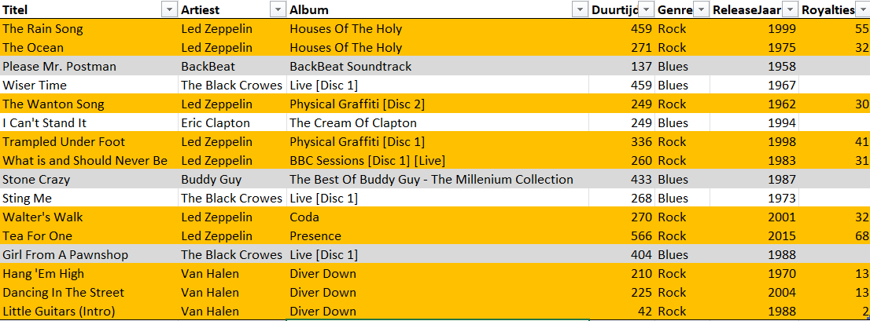
Titel | Artiest | Album | Duurtijd | Genre | ReleaseJaar | Royalties
Please Mr. Postman | BackBeat | BackBeat Soundtrack | 137 | Blues | 1958 |  |  | Alles met royalties aangeduid
Stone Crazy | Buddy Guy | The Best Of Buddy Guy - The Millenium Collection | 433 | Blues | 1987
I Can't Stand It | Eric Clapton | The Cream Of Clapton | 249 | Blues | 1994
The Rain Song | Led Zeppelin | Houses Of The Holy | 459 | Rock | 1999 | 55
The Ocean | Led Zeppelin | Houses Of The Holy | 271 | Rock | 1975 | 32
The Wanton Song | Led Zeppelin | Physical Graffiti [Disc 2] | 249 | Rock | 1962 | 30 | 41.285714286
Trampled Under Foot | Led Zeppelin | Physical Graffiti [Disc 1] | 336 | Rock | 1998 | 41
What is and Should Never Be | Led Zeppelin | BBC Sessions [Disc 1] [Live] | 260 | Rock | 1983 | 31
Walter's Walk | Led Zeppelin | Coda | 270 | Rock | 2001 | 32
Tea For One | Led Zeppelin | Presence | 566 | Rock | 2015 | 68
Wiser Time | The Black Crowes | Live [Disc 1] | 459 | Blues | 1967
Sting Me | The Black Crowes | Live [Disc 1] | 268 | Blues | 1973
Girl From A Pawnshop | The Black Crowes | Live [Disc 1] | 404 | Blues | 1988
Hang 'Em High | Van Halen | Diver Down | 210 | Rock | 1970 | 13
Dancing In The Street | Van Halen | Diver Down | 225 | Rock | 2004 | 13
Little Guitars (Intro) | Van Halen | Diver Down | 42 | Rock | 1988 | 2

 |  |  |  |  |  |  |  | Gesorteerd op artiest
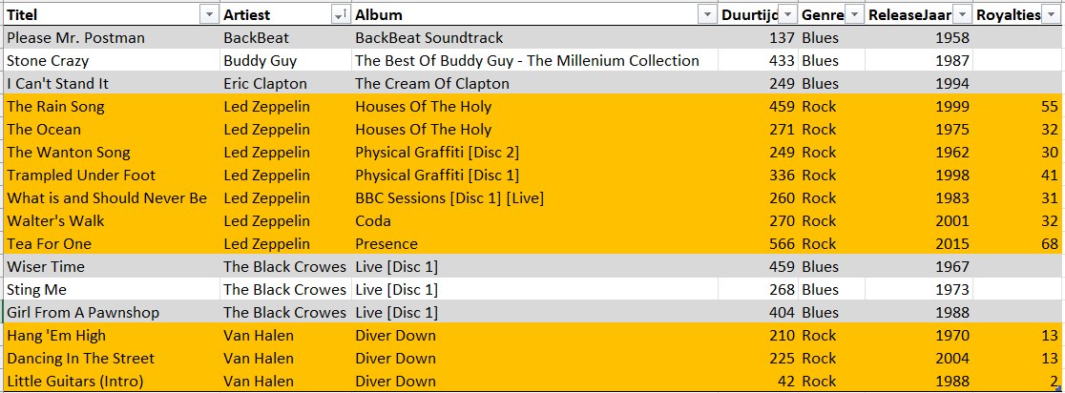

 |  |  |  |  |  |  |  | Gemiddelde aantal royalties
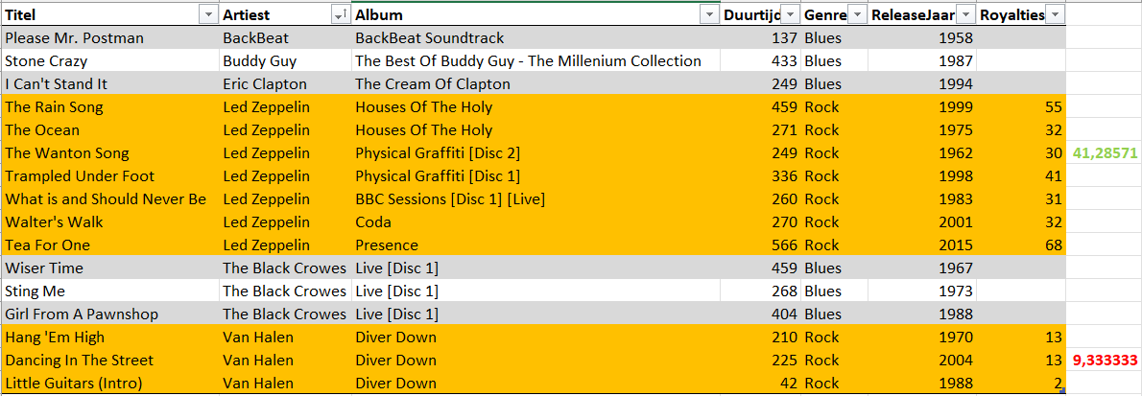

 |  |  |  |  |  |  |  | Alleen "Led Zeppelin" zal getoont worden (hij heeft alleen gemiddelde royalties boven de 10)

